Concept
Architecture

MASTER (CORE 2)
TBD
MASTER (CORE 1)
TBD
CAN 500 KBPS
DIG_OUT
DIG_IN
A/D
D/A
AD_IN
I2C
AD_IN
DA_OUT (tbd)
PWM_OUT (tbd)
CAN 1 MBPS
FPGA
MASTER TRANSCEIVER
EFR32MG22C224F512IM32
SPI + PTI 1.6 MBPS
SW_DEBUG
UART_DEBUG
SLAVE
EFR32MG22C224F512IM32
DIG_IN
A/D
D/A
AD_IN
SPI 1 MBPS
AD_IN
DA_OUT
DEBUG_OUT
PWM_OUT
SW_DEBUG
UART_DEBUG
2x SPI

OR
DIRECT MODE?

DEBUG_OUT

CAR

LabVIEW
(Setup
Cal
Diag)

SLAVE
EFR32MG22C224F512IM32
SLAVE
EFR32MG22C224F512IM32
SLAVE
EFR32MG22C224F512IM32
SLAVE
EFR32MG22C224F512IM32
SLAVE
EFR32MG22C224F512IM32
SLAVE
EFR32MG22C224F512IM32
SLAVE
EFR32MG22C224F512IM32
SLAVE
EFR32MG22C224F512IM32




Detail

MASTER TRANSCEIVER
EFR32MG22C224F512IM32
SLAVE
EFR32MG22C224F512IM32
D/A
SPI 1 MBPS
A/D
ALARM_TEMP
CELL_TEMP
CNS_DERIVE_I
CELL_VOLTAGE
I_DERIVE
VREF_EXT
CNS_HEAT
DEBUG_LED_1
DI
DO
DO
DO
MOSI
MISO
SCLK CS_ADC
CS_DAC
DO
PWM
UART_TxD
UART_RxD
TCK_SWCLK
TDO_SWO
TMS_SWDIO
UART/US1
DEBUG
SW
TCK_SWCLK
DEBUG
SW
TDO_SWO

TMS_SWDIO
DEBUG_LED_1
DO

UART_TxD
UART_RxD
UART/US1
CS (DFRAME)
MOSI (DOUT)
CLK

MOSI
MISO
SCLK CS_CPU

DIRECT MODE (option to replace SPI)?
PTI SPI 1.6 Mbps
SPI 1.6 Mbps

DATA from Slaves
MASTER transceiver = SPI Master
MASTER = SPI Slave
MOSI only
DATA for Master
MASTER transceiver = SPI Slave
MASTER = SPI Master
MOSI/MISO for status ...

Pin mapping EVAL
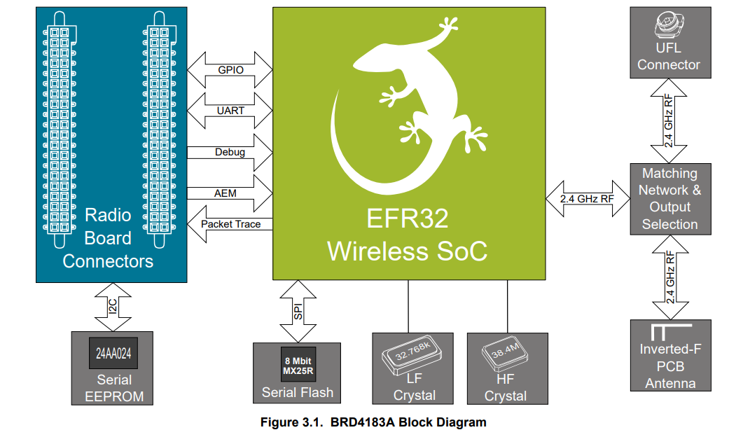
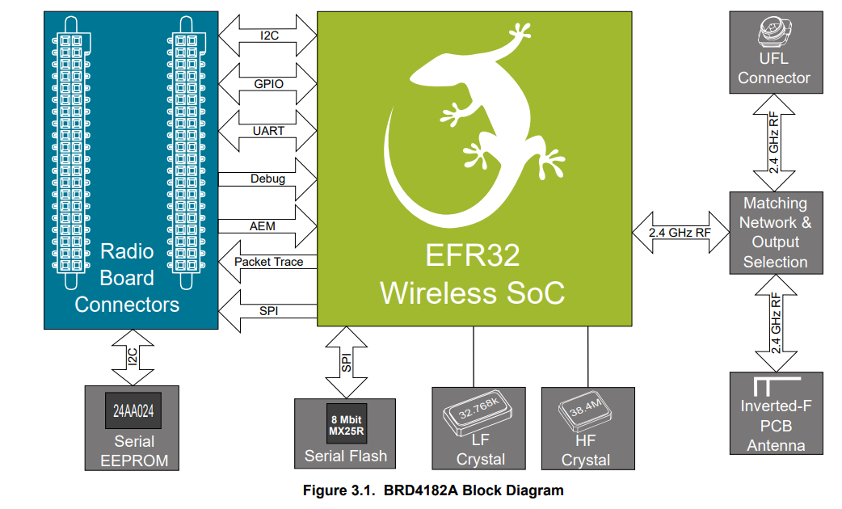
Pin Mapping MASTER/SLAVE EFR32xG22 (BRD4182A - QFN 40 pin) |  |  |  |  |  |  |  |  | Pin Mapping SLAVE EFR32xG22 (BRD4183A - QFN 32 pin) |  |  |  |  |  |  |  |  |  |  |  | Pin Mapping Slot - Test Daughter Board EFR32xG22 (BRD4183A - QFN 32 pin)

Function | Signal | Expansion Header | Top/Bottom Header | CPU Port | Master | Slave | Remark |  | Function | Signal | Expansion Header | Top/Bottom Header | CPU Port | Master | Slave | Remark |  |  |  |  | Function | Signal | Exp. Header | CPU Port | Implemented
A/D | 1 | - | P25/F20 | PC04 | - | Y | Single A/D | ---> | A/D | 1 | - | P25/F20 | PC04 | - | Y | Single A/D |  |  |  | V | A/D | 1 | - | PC04 | N
A/D | 2 | - | P27/F19 | PC05 | - | Y | Single A/D | ---> | A/D | 2 | - | P27/F19 | PC05 | - | Y | Single A/D |  |  |  | V | A/D | 2 | - | PC05 | N
A/D | 3 | H15 | P12 | PB02 | - | Y | Single A/D |  | A/D | 3 | H15 | P12 | PB02 | - | Y | Single A/D | 1) |  | PB02 | V | A/D | 3 | H15 | PB02 | N

DEBUG DOUT | 1 | H9 | P6/F13 | PB01 | Y | Y | TX | ---> | DEBUG DOUT | 1 | H9 | P6/F13 | PB01 | Y | Y | TX | 2) |  |  | X
DEBUG DOUT | 2 | H11 | P12 | PD02 | Y | Y | RX | ---X | DEBUG DOUT | 2 | H11 | P12 | PD02 | Y | Y | RX |  | ? |  | X
DEBUG DOUT | 3 | H13 | P10/F11 | PD03 | Y | Y | Misc | ---X | DEBUG DOUT | 3 | H13 | P10/F11 | PD03 | Y | Y | Misc |  | ? |  | X

DEBUG | TCK_SWCLK | - | P16/F1 | PA01 | Y | Y | Debug/Download | ---> | DEBUG | TCK_SWCLK | - | P16/F1 | PA01 | Y | Y | Debug/Download |  |  |  | V | DEBUG | TCK_SWCLK | - | PA01 | N
DEBUG | TMS_SWDIO | - | P18/F0 | PA02 | Y | Y | Debug/Download | ---> | DEBUG | TMS_SWDIO | - | P18/F0 | PA02 | Y | Y | Debug/Download |  |  |  | V | DEBUG | TMS_SWDIO | - | PA02 | N
DEBUG | TDO_SWO | - | P20/F2 | PA03 | Y | Y | Debug/Download | ---> | DEBUG | TDO_SWO | - | P20/F2 | PA03 | Y | Y | Debug/Download |  |  |  | V | DEBUG | TDO_SWO | - | PA03 | N

DIN | BTN0 | H7 | P4/F12 | PB00 | Y | Y | Button 0 | ---> | DIN | BTN0 | H7 | P4/F12 | PB00 | Y | Y | Button 0 |  |  |  | V | DIN | BTN0 | H7 | PB00 | N
DIN | ALARM_TEMP | - | P22 | PA04 | - | Y |  | ---> | DIN | ALARM_TEMP | H7 | P4/F12 | PB00 | - | Y | Not implemented |  |  |  | V | DIN | ALARM_TEMP | H7 | PB00 | N

PWM | 0 | - | P14/F18 | PA00 | - | Y | Limited to 90kHz | ---> | PWM | 0 | - | P14/F18 | PA00 | - | Y | Limited to 90kHz |  |  | VCOM_RTS disabled | V | PWM | 0 | - | PA00 | N
PWM | 1 | - | P29/F17 | PC06 | - | Y | Limited to 90kHz | ---X | PWM | 1 | - | P29/F17 | PC06 | - | Y | Limited to 90kHz |  | ? |  | X

UART/US1 | TxD | H12 | P9/F6 | PA05 | Y | Y | VCOM RTS (PA07)/CTS(PA08) disabled | ---> | UART/US1 | TxD | H12 | P9/F6 | PA05 | Y | Y | VCOM RTS (PA07)/CTS(PA08) disabled |  |  |  | V | UART/US1 | TxD | H12 | PA05 | Y
UART/US1 | RxD | H14 | P11/F7 | PA06 | Y | Y | VCOM RTS (PA07)/CTS(PA08) disabled | ---> | UART/US1 | RxD | H14 | P11/F7 | PA06 | Y | Y | VCOM RTS (PA07)/CTS(PA08) disabled |  |  |  | V | UART/US1 | RxD | H14 | PA06 | Y
UART/US1 | ENABLE | - | P15/F5 | PB04 | Y | Y |  | ---X | UART/US1 | ENABLE | - | P15/F5 | PB04 | Y | Y |  | 2) | ? | PB01 | V | UART/US1 | ENABLE | - | PB04 | N

I2C0 | SCL | H15 | P12 | PB02 | - | Y |  | ---> | I2C0 | SCL | H15 | P12 | PB02 | - | Y |  | 1) |  | VCOM_CTS disabled | X
I2C0 | SDA | H16 | P13 | PB03 | - | Y |  | ---X | I2C0 | SDA | H16 | P13 | PB03 | - | Y |  |  | ? |  | X
I2C0 | ENABLE | - | P31/F14 | PC07 | - | Y | Enbale onboard T&H sensor | ---X | I2C0 | ENABLE | - | P31/F14 | PC07 | - | Y | Enbale onboard T&H sensor |  | ? |  | X

SPI/US0 | MOSI | H4 | P1/F16 | PC00 | Y | Y | SPI 1Mbps | ---> | SPI/US0 | MOSI | H4 | P1/F16 | PC00 | Y | Y | SPI 1Mbps |  |  |  | V | SPI/US0 | MOSI | H4 | PC00 | N
SPI/US0 | MISO | H6 | P3/P0 | PC01 | Y | Y | SPI 1Mbps | ---> | SPI/US0 | MISO | H6 | P3/P0 | PC01 | Y | Y | SPI 1Mbps |  |  |  | V | SPI/US0 | MISO | H6 | PC01 | N
SPI/US0 | SCLK | H8 | P5/F15 | PC02 | Y | Y | SPI 1Mbps | ---> | SPI/US0 | SCLK | H8 | P5/F15 | PC02 | Y | Y | SPI 1Mbps |  |  |  | V | SPI/US0 | SCLK | H8 | PC02 | N
SPI | CS_TEMP | - | P19/F9 | PA07 | Y | Y | Enable SPI Temp | ---X | SPI | CS_TEMP | - | P22 | PA04 | Y | Y | Enable SPI Temp |  |  |  | X
SPI | CS_DAC | H10 | P7 | PC03 | - | Y | Enable SPI DAC | ---> | SPI | CS_DAC | H10 | P7 | PC03 | - | Y | Enable SPI DAC |  |  |  | V | SPI | CS_DAC | H10 | PC03 | N

SPI/PTI | CLK | - | P29/F17 | PC06 | Y | - | Future feature (EFR32 as transceiver) | ---X | SPI/PTI | CLK | - | P29/F17 | PC06 | Y | - | Future feature (EFR32 as transceiver) |  | ? | ? | N/A (Slave)
SPI/PTI | DFRAME | - | P27/F19 | PC05 | Y | - | Future feature (EFR32 as transceiver) | ---> | SPI/PTI | DFRAME | - | P27/F19 | PC05 | Y | - | Future feature (EFR32 as transceiver) |  |  |  | N/A (Slave)
SPI/PTI | DOUT | - | P25/F20 | PC04 | Y | - | Future feature (EFR32 as transceiver) | ---> | SPI/PTI | DOUT | - | P25/F20 | PC04 | Y | - | Future feature (EFR32 as transceiver) |  |  |  | N/A (Slave)

LFXTAL | - | - | - | PD00 | ? | ? | LF 32.768kHz Is used? | ---> | LFXTAL | - | - | - | PD00 | ? | ? | LF 32.768kHz Is used? |  |  |  | V
LFXTAL | - | - | - | PD01 | ? | ? | LF 32.768kHz Is used? | ---> | LFXTAL | - | - | - | PD01 | ? | ? | LF 32.768kHz Is used? |  |  |  | V

Spare |  | - | P21/F8 | PA08 | Y | Y | VCOM CTS | ---X |  | CS_DAC
Spare |  | - | P14/F18 | PA00 | Y | - |  |  |  | AD3
Spare |  | - | P22 | PA04 | Y | -
Spare |  | H15 | P12 | PB02 | Y | -
Spare |  | H16 | P13 | PB03 | Y | - |  | ---X
Spare |  | H10 | P7 | PC03 | Y | -
Spare |  | - | P31/F14 | PC07 | Y | - |  | ---X

